Tearsheet
Company Snapshot

 | Ticker: | 8TRA GY |  | Currency | Local | Consolidation Basis | Consol
 | #NAME?
 | Bloomberg Rating: IG10 Sector: Industrials Industry: Machinery Sub-Industry: Construction Machinery & Heavy FY End: 1200 YYYY EPS Due: 23/07/2026
 | Description |  |  |  |  |  |  | Business Segments (FY: 1200-yy) |  |  | Revenue | Revenue Supplementary Breakdown | Depreciation/Amortization | Operating Income | Pretax Income | Income Taxes | Net Income | Key Statistics |  |  | Actual and Estimate Data |  |  |  | Holdings By:
 | Traton SE designs and manufactures automobiles. The Company produces light-duty commercial vehicles, trucks, and buses. Traton serves customers worldwide. |  |  |  |  |  |  | Traton Operations |  |  | 42,049.00 | 42,536.00 | 2,803.00 | 2,745.00 | 2.51 | 694.00 | 1,928.00 | 52-Week Range | 25.78 - 37.34 |  |  | LTM | 00/yyyy | 00/yyyy | Holder Name | Portfolio Name | Source | Amt Held | % Out | Latest Chg | File Dt | Inst Type | Country | Metro Area
 |  |  |  |  |  |  |  | Traton Financial Services |  |  | 2,035.00 | 2,188.00 | 524.00 | 167.00 | 173.00 | 39.00 | 133.00 | Avg Daily Vol (3 Mo) | 154,549 |  | Revenue | 43,675.00 | 45,897.00 | 48,969.94 | Volkswagen AG | n/a | Issuer | 437,500,000.00 | 87.5 | -123,725.00 | 2025-09-11 | Corporation | Germany | Unclassified
 |  |  |  |  |  |  |  | Reconciliation |  |  | 640.00 |  |  |  |  | (254.00) | (514.00) | Market Value | 16,750.0 |  | % change y/y |  | 4.2% | 6.7% | Skandinaviska Enskil | n/a | EXCH | 15,179,168.00 | 3.04 | 3,558,908.00 | 2026-02-09 | Bank | Sweden | Stockholm
 |  |  |  |  |  |  |  | Corporate |  |  | (672.00) | (672.00) |  | (486.00) | (768.00) |  |  | Current Enterprise Value (B) | 20,759.00 |  | EBITDA | 5,176.00 | 5,719.31 | 6,723.19 | Swedbank AB | n/a | ULT-AGG | 3,340,000.00 | 0.67 | - | 2026-05-29 | Bank | Sweden | Stockholm
 |  |  |  |  |  |  |  |  |  |  |  |  |  |  |  |  |  | Shares Outstanding (B) | 500.00 M |  | % Margin |  | -2.0% | 17.6% | Lannebo Kapitalforva | n/a | ULT-AGG | 2,919,235.00 | 0.58 | -109,665.00 | 2026-05-31 | Holding Company | Sweden | Stockholm
 |  |  |  |  |  |  |  |  |  |  |  |  |  |  |  |  |  | Dividend Yield | 2.8% |  | EPS | 2.612 | 4.198 | 5.689 | Vanguard Group Inc/T | n/a | ULT-AGG | 2,722,487.00 | 0.54 | 6,778.00 | 2026-06-30 | Investment Advisor | United States | Philadelphia
 | Address: | Dachauer Strasse 641 Muenchen, 80995 Germany |  |  |  |  |  |  |  |  |  |  |  |  |  |  |  | Float % | 12.5% |  | % change y/y |  | 35.9% | 35.5% | Norges Bank | Multiple Portfolios | MF-AGG | 2,465,538.00 | 0.49 | 61,679.00 | 2025-12-31 | Bank | Norway | Oslo
 | Telephone: |  |  | 49-89-3609-870 |  |  |  |  |  |  |  |  |  |  |  |  |  | Institutional % | 6.8% |  |  |  |  |  | WisdomTree Inc | n/a | ULT-AGG | 858,338.00 | 0.17 | -2,180.00 | 2026-07-01 | Investment Advisor | United States | New York City/Southern CT/Northern NJ
 | Website |  |  | www.traton.com |  |  |  |  |  |  |  |  |  |  |  |  |  | Analyst Coverage | 23 Analysts |  | EV/Sales | 0.4x | 0.5x | 0.4x | Blackrock Inc | n/a | ULT-AGG | 728,936.00 | 0.15 | 11,468.00 | 2026-06-30 | Investment Advisor | United States | New York City/Southern CT/Northern NJ
 | CEO: |  |  | Christian Levin |  |  |  |  |  |  |  |  |  |  |  |  |  | Target Price | 34.38 |  | EV/EBITDA | 3.8x | 3.6x | 3.1x | Indecap AB | Multiple Portfolios | MF-AGG | 624,501.00 | 0.12 | 9,705.00 | 2026-06-30 | Investment Advisor | Sweden | Stockholm
 | CFO: |  |  | Dr Michael Jackstein |  |  |  |  |  |  |  |  |  |  |  |  |  | LT Growth Rate | - |  | P/Sales | 0.4x | 0.4x | 0.3x | Svenska Handelsbanke | n/a | ULT-AGG | 351,191.00 | 0.07 | 34,426.00 | 2026-07-01 | Bank | Norway | Oslo
 | # Employees as of 31/03/2026: |  |  | 107,517 |  |  |  |  |  |  |  |  |  |  |  |  |  | Consensus Rating | 3.57 |  | P/Earnings | 12.8x | 8.0x | 5.9x | Banque Federative du | n/a | ULT-AGG | 343,953.00 | 0.07 | 343,953.00 | 2026-04-30 | Investment Advisor | France | Paris
 | Bloomberg Rating: |  |  | IG10 |  |  |  |  |  |  |  |  |  |  |  |  |  | Return on Equity | 7.0% |  | P/Book | 0.9x | 0.8x | 0.8x | Omnis Investments Lt | Multiple Portfolios | MF-AGG | 323,758.00 | 0.06 | 323,758.00 | 2025-03-31 | Investment Advisor | United Kingdom | London
Measure 1 | Measure: |  |  |  |  | Price and Volume (1 Year) |  |  |  |  |  |  |  |  | Prices/Volume |  |  | Comparative Returns |  |  |  |  |  |  | Invesco Ltd | n/a | ULT-AGG | 312,814.00 | 0.06 | -1,034.00 | 2026-07-01 | Investment Advisor | United States | Atlanta
 | Volume |  | Price
Price_Vol_Chart_Date | 0 | 0 | 27.95
 | 37043 | 1/1/2025 | 27.95
 | 111226 | 1/2/2025 | 28.2
 | 58227 | 1/3/2025 | 28.2
 | 58227 | 1/4/2025 | 28.2
 | 58227 | 1/5/2025 | 28.2
 | 93800 | 1/6/2025 | 29.7
 | 149331 | 1/7/2025 | 29.25
 | 85325 | 1/8/2025 | 28.9
 | 66154 | 1/9/2025 | 29.15
 | 447365 | 1/10/2025 | 26.45
 | 447365 | 1/11/2025 | 26.45
 | 447365 | 1/12/2025 | 26.45
 | 151091 | 1/13/2025 | 26.05
 | 233854 | 1/14/2025 | 26.8
 | 172813 | 1/15/2025 | 26.75
 | 160352 | 1/16/2025 | 26.75
 | 160030 | 1/17/2025 | 27.8
 | 160030 | 1/18/2025 | 27.8
 | 160030 | 1/19/2025 | 27.8
 | 214747 | 1/20/2025 | 27.75
 | 126066 | 1/21/2025 | 27.85
 | 249946 | 1/22/2025 | 28.05
 | 106320 | 1/23/2025 | 28.45
 | 78364 | 1/24/2025 | 28.45
 | 78364 | 1/25/2025 | 28.45
 | 78364 | 1/26/2025 | 28.45
 | 100007 | 1/27/2025 | 28.1
 | 86564 | 1/28/2025 | 27.95
 | 249716 | 1/29/2025 | 29.85
 | 124342 | 1/30/2025 | 30.3
 | 94221 | 1/31/2025 | 29.9
 | 94221 | 2/1/2025 | 29.9
 | 94221 | 2/2/2025 | 29.9
 | 200899 | 2/3/2025 | 29.5
 | 81371 | 2/4/2025 | 29.85
 | 68543 | 2/5/2025 | 29.6
 | 132702 | 2/6/2025 | 30.5
 | 207751 | 2/7/2025 | 31.15
 | 207751 | 2/8/2025 | 31.15
 | 207751 | 2/9/2025 | 31.15
 | 86821 | 2/10/2025 | 31.4
 | 76004 | 2/11/2025 | 31.75
 | 107000 | 2/12/2025 | 31.8
 | 284684 | 2/13/2025 | 33.45
 | 235941 | 2/14/2025 | 33.8
 | 235941 | 2/15/2025 | 33.8
 | 235941 | 2/16/2025 | 33.8
 | 322353 | 2/17/2025 | 34.75
 | 347308 | 2/18/2025 | 35.75
...
 |  | 2024 | 2025 | 2026 | 2027 |  |  |  |  |  |  |  |  |  | YTD Change |  | 9.84% | Period |  | Security/Index: |  | CSCO US Equity |  |  | Charles Schwab Corp/ | n/a | ULT-AGG | 296,209.00 | 0.06 | 240.00 | 2026-07-01 | Brokerage | United States | San Francisco/San Jose
 | #NAME? | #NAME? | CSCO US Equity
0 | -4.1549 | 0.3037 | 1.7938
7/3/2021 | -4.1549 | 0.3037 | 1.7938
7/4/2021 | -4.1549 | 0.3037 | 1.7938
7/5/2021 | -3.3803 | 0.3798 | 1.7938
7/6/2021 | -5.7042 | -0.5853 | 0.7291
7/7/2021 | -3.8028 | 0.5768 | 1.2615
7/8/2021 | -5.5634 | -1.1669 | 1.2615
7/9/2021 | -3.9437 | 0.5462 | 2.1741
7/10/2021 | -3.9437 | 0.5462 | 2.1741
7/11/2021 | -3.9437 | 0.5462 | 2.1741
7/12/2021 | -4.2254 | 1.2036 | 1.2044
7/13/2021 | -3.3803 | 1.1981 | 1.3755
7/14/2021 | -3.8028 | 1.1938 | 2.8395
7/15/2021 | -2.7465 | 0.1727 | 2.0029
7/16/2021 | -6.338 | -0.3999 | 2.098
7/17/2021 | -6.338 | -0.3999 | 2.098
7/18/2021 | -6.338 | -0.3999 | 2.098
7/19/2021 | -10.2113 | -3.0092 | 0.8812
7/20/2021 | -10.2817 | -2.4767 | 1.8699
7/21/2021 | -8.0986 | -1.155 | 2.4402
7/22/2021 | -8.169 | -0.5651 | 3.6951
7/23/2021 | -5.4225 | 0.4267 | 5.0069
7/24/2021 | -5.4225 | 0.4267 | 5.0069
7/25/2021 | -5.4225 | 0.4267 | 5.0069
7/26/2021 | -4.507 | 0.1043 | 5.4633
7/27/2021 | -4.8592 | -0.5357 | 5.102
7/28/2021 | -7.7465 | -0.2073 | 4.1324
7/29/2021 | -5.3521 | 0.242 | 4.7027
7/30/2021 | -6.831 | -0.3738 | 5.2731
7/31/2021 | -6.831 | -0.3738 | 5.2731
8/1/2021 | -6.831 | -0.3738 | 5.2731
8/2/2021 | -5.5634 | -0.2178 | 5.4252
8/3/2021 | -5.7042 | -0.3053 | 6.9462
8/4/2021 | -5 | 0.5731 | 5.8815
8/5/2021 | -5.2817 | 0.9098 | 6.0146
8/6/2021 | -4.3662 | 1.0174 | 5.6914
8/7/2021 | -4.3662 | 1.0174 | 5.6914
8/8/2021 | -4.3662 | 1.0174 | 5.6914
8/9/2021 | -6.6197 | 0.9146 | 5.4633
8/10/2021 | -6.1268 | 1.0767 | 5.7294
8/11/2021 | -4.6479 | 1.4317 | 6.2047
8/12/2021 | -4.4366 | 2.1458 | 7.2124
8/13/2021 | -5.2817 | 2.4017 | 7.3645
8/14/2021 | -5.2817 | 2.4017 | 7.3645
8/15/2021 | -5.2817 | 2.4017 | 7.3645
8/16/2021 | -6.7606 | 2.0703 | 7.0033
8/17/2021 | -8.0986 | 2.0461 | 6.4899
8/18/2021 | -9.4366 | 2.3282 | 4.8548
8/19/2021 | -13.0986 | 1.0453 | 8.8855
8/20/2021 | -13.0986 | 1.316 | 10.6917
...
 | Q1 Mar | 1756.00 | 1391.00 | 994.00 | 1707.25 |  |  |  |  |  |  |  |  |  | 6 Month Change |  | 28.06% |  |  |  |  |  |  |  | DekaBank Deutsche Gi | Multiple Portfolios | MF-AGG | 294,303.00 | 0.06 | 322.00 | 2026-06-30 | Bank | Germany | Frankfurt
 | Q2 Jun | 1752.00 | 1408.00 | 1394.29 | 1778.75 |  |  |  |  |  |  |  |  |  | 3 Month Change |  | -8.4% |  |  |  |  |  |  |  | Carlson Lararfonder | Multiple Portfolios | MF-AGG | 280,274.00 | 0.06 | -68,607.00 | 2026-05-31 | Investment Advisor | Sweden | Stockholm
 | Q3 Sep | 1767.00 | 1339.00 | 1493.29 | 1823.50 |  |  |  |  |  |  |  |  |  | 1 Year Change |  | 10.6% |  |  |  |  |  |  |  | GGCP Inc | n/a | ULT-AGG | 265,800.00 | 0.05 | - | 2026-03-31 | Investment Advisor | United States | New York City/Southern CT/Northern NJ
 | Q4 Dec | 1909.00 | 1435.00 | 1732.57 | 2187.00 |  |  |  |  |  |  |  |  |  |  |  |  |  |  |  |  |  |  |  | Credit Agricole Grou | n/a | ULT-AGG | 217,704.00 | 0.04 | - | 2026-06-30 | Bank | France | Paris
 | Year | 7184.00 | 5573.00 | 5719.31 | 6723.19 |  |  |  |  |  |  |  |  |  | Daily Volume |  | 18,895 |  |  |  |  |  |  |  | Pareto Asset Managem | Multiple Portfolios | MF-AGG | 197,800.00 | 0.04 | 111,900.00 | 2026-03-31 | Investment Advisor | Sweden | Stockholm
 | Cal Yr | 7360.00 | 5835.00 | 5719.31 | 6723.19 |  |  |  |  |  |  |  |  |  | Average Volume 30 Day |  | 129,667 |  |  |  |  |  |  |  | Deutsche Bank AG | n/a | ULT-AGG | 185,960.00 | 0.04 | - | 2026-07-02 | Investment Advisor | Germany | Frankfurt
 | Revision |  |  |  |  |  |  |  |  |  |  |  |  |  | Average Volume 3 Month |  | 154,549 |  |  |  |  |  |  |  | Analyst Recommendations
 |  | 1 Week | 4 Weeks | 3 Months | 6 Months |  |  |  |  |  |  |  |  |  | Average Volume 6 Month |  | 177,808 |  |  |  |  |  |  |  | Firm Name | Analyst | Recommendation | Weighting | ∆ | Target Price | Date | Date | BARR | 1 Yr Rtn
 | Qtr End 06/26 | 0.0% | 0.0% | -0.5% | - |  |  |  |  |  |  |  |  |  |  |  |  |  |  |  |  |  |  |  | Deutsche Bank | Nicolai Kempf | buy | 5 | M | 40.00 | 12 month | 2026-06-29 | 1 | 23.03
 | Qtr End 09/26 | -0.3% | -0.2% | 2.3% | - |  |  |  |  |  |  |  |  |  | Dividend Yld |  | - |  |  |  |  |  |  |  | Svenska Handelsbanken | Hampus Engellau | buy | 5 | M | 38.00 | 12 month | 2026-06-26 | 1 | 23.03
 | FY End 12/26 | 0.0% | -1.1% | -0.8% | - |  |  |  |  |  |  |  |  |  | 52 Week Beta |  |  |  |  |  |  |  |  |  | Bernstein | Harry Martin | market perform | 3 | M | 36.00 | Not Provided | 2026-06-25 | 7 | 0
 | FY End 12/27 | -0.1% | -0.8% | 1.0% | - |  |  |  |  |  |  |  |  |  |  |  |  |  |  |  |  |  |  |  | JP Morgan | Jose Asumendi | neutral | 3 | M | 30.00 | Not Provided | 2026-06-24 | -2147483648 | -2.4245362662E-14
 |  |  |  |  |  |  |  |  |  |  |  |  |  |  |  |  |  |  |  |  |  |  |  |  | BNP Paribas | Lewis Merrick | outperform | 5 | M | 37.00 | Not Provided | 2026-06-11 | -2147483648 | -2.4245362662E-14
Measure 2 | Measure: |  |  |  |  | Performance |  | 2017 | 2018 | 2019 | 2020 | 2021 | 2022 | 2023 | 2024 | 2025 | 5 Yr Avg | Relative Comps | Price | Ret YTD % | Mkt Cap | PE (NTM) | Rev - 1 Yr Gr | EPS - 1 Yr Gr | Goldman Sachs | Daniela Costa | neutral | 3 | M | 34.00 | 12 month | 2026-05-26 | 7 | 0
 |  | 2024 | 2025 | 2026 | 2027 | Price Change |  | - | - | - | -5.5% | -2.1% | -36.2% | 50.9% | 31.1% | 9.1% | 10.6% | Traton SE | 33.50 | 12.85% | 16.75 B | 7.6x | -7.21% | -44.92% | Jefferies | Michael Aspinall | hold | 3 | M | 35.00 | Not Provided | 2026-05-22 | 7 | 0
 | Q1 Mar | 1756.00 | 1391.00 | 994.00 | 1707.25 | DAX INDEX |  | 12.5% | -18.3% | 25.5% | 3.5% | 15.8% | -12.3% | 20.3% | 18.8% | 23.0% | 13.1% | Volvo AB | 329.10 | 15.70% | 669.17 B | 12.1x | -9.04% | -31.64% | UBS | Hemal Bhundia | buy | 5 | M | 38.00 | 12 month | 2026-05-12 | 1 | 23.03
 | Q2 Jun | 1752.00 | 1408.00 | 1394.29 | 1778.75 | Industry (INDU Index) |  | 25.1% | -5.6% | 22.3% | 7.2% | 18.7% | -8.8% | 13.7% | 12.9% | 13.0% | 9.9% | Daimler Truck Holding AG | 42.36 | 18.74% | 32.43 B | 12.0x | -9.25% | -33.20% | Landesbank Baden-Wuerttemberg | Frank Biller | hold | 3 | M | 34.00 | Not Provided | 2026-05-04 | 7 | 0
 | Q3 Sep | 1767.00 | 1339.00 | 1493.29 | 1823.50 | Div Yield |  | 0.0% | 0.0% | 4.2% | 1.1% | 2.3% | 5.0% | 7.0% | 6.1% | 3.0% | 4.7% | Iveco Group NV | 13.95 | 5.18% | 3.78 B | 12.1x | -6.86% | -51.65% | Oddo BHF | Anthony Dick | outperform | 5 | M | 40.00 | Not Provided | 2026-04-30 | 1 | 23.03
 | Q4 Dec | 1909.00 | 1435.00 | 1732.57 | 2187.00 | Financials |  | 12/17 Y | 12/18 Y | 12/19 Y | 12/20 Y | 12/21 Y | 12/22 Y | 12/23 Y | 12/24 Y | 12/25 Y | 5 Yr CAGR | SAF-Holland SE | 20.15 | 36.25% | 0.91 B | 8.7x | -7.59% | -34.12% | ABG Sundal Collier | Karl Bokvist | buy | 5 | M | 36.33 | 12 month | 2026-04-29 | 1 | 23.03
 | Year | 7184.00 | 5573.00 | 5719.31 | 6723.19 | Sales |  | 24,366.0 | 25,927.0 | 26,901.0 | 22,580.0 | 30,620.0 | 40,335.0 | 46,872.0 | 47,473.0 | 44,051.0 | 14.3% | Accelleron Industries AG | 80.40 | 32.83% | 7.60 B | 33.5x | 23.53% | 37.02% | Citi | Klas Bergelind | neutral | 3 | D | 32.10 | Not Provided | 2026-04-29 | 7 | 0
 | Cal Yr | 7360.00 | 5835.00 | 5719.31 | 6723.19 | EBITDA |  | 3,453.0 | 3,406.0 | 4,084.0 | 2,520.0 | 3,123.0 | 4,546.0 | 6,624.0 | 7,184.0 | 5,573.0 | 17.2% |  |  |  |  |  |  |  | SEB Bank | Fredrik Agardh | hold | 3 | M | 32.19 | Not Provided | 2026-04-29 | -2147483648 | -2.4245362662E-14
 | Revision |  |  |  |  | EBIT |  | 1,512.0 | 1,513.0 | 1,882.0 | 81.0 | 394.0 | 1,564.0 | 3,763.0 | 4,209.0 | 2,426.0 | 97.4% |  |  |  |  |  |  |  | Pareto Securities | Forbes Goldman | buy | 5 | M | 36.79 | 12 month | 2026-04-29 | 5 | 6.48
 |  | 1 Week | 4 Weeks | 3 Months | 6 Months | Net Income |  | 1,029.0 | 1,390.0 | 1,518.0 | 101.0 | 457.0 | 1,141.0 | 2,451.0 | 2,804.0 | 1,547.0 | -272.6% |  |  |  |  |  |  |  | DNB Carnegie | Mattias Holmberg | buy | 5 | M | 36.79 | Not Provided | 2026-04-29 | 2 | 14.23
 | Qtr End 06/26 | 0.0% | 0.0% | -0.5% | - | EPS (Diluted) |  | 2.06 | 2.78 | 3.04 | -0.20 | 0.91 | 2.28 | 4.90 | 5.61 | 3.09 | -272.9% |  |  |  |  |  |  |  | DZ Bank AG Research | Holger Schmidt | buy | 5 | M | 38.00 | Not Provided | 2026-04-29 | 3 | 8.78
 | Qtr End 09/26 | -0.3% | -0.2% | 2.3% | - | Dividends per Share |  | 6.00 | 0.00 | 1.00 | 0.25 | 0.50 | 0.70 | 1.50 | 1.70 | 0.93 | 30.0% |  |  |  |  |  |  |  | MWB Research | Leon Muehlenbruch | sell | 1 | M | 23.00 | Not Provided | 2026-04-29 | 10 | -23.03
 | FY End 12/26 | 0.0% | -1.1% | -0.8% | - | Shares for Fully Diluted EPS |  | 500.0 | 500.0 | 500.0 | 500.0 | 500.0 | 500.0 | 500.0 | 500.0 | 500.0 | 0.0% |  |  |  |  |  |  |  | Kepler Cheuvreux | Michael Raab | reduce | 2 | M | 25.00 | Not Provided | 2026-04-16 | 10 | -23.03
 | FY End 12/27 | -0.1% | -0.8% | 1.0% | - | Book Value per Share |  | - | 33.60 | 27.73 | 25.88 | 26.89 | 28.74 | 32.96 | 35.67 | 37.27 | 7.6% |  |  |  |  |  |  |  | Bankhaus Metzler | Pal Skirta | hold | 3 | M | 25.00 | 12 month | 2026-03-06 | 6 | 0.36
 |  |  |  |  |  | Cash & Near Cash |  | 4,594.0 | 2,997.0 | 1,913.0 | 1,714.0 | 2,002.0 | 1,439.0 | 1,731.0 | 2,542.0 | 2,805.0 | 10.4% |  |  |  |  |  |  |  | MP Capital Markets | Fabio Holscher | buy | 5 | M | 48.00 | 12 month | 2026-03-05 | 1 | 23.03
 | Growth Rate (CAGR) Summary |  |  |  |  | Total Assets |  | 46,570.0 | 46,384.0 | 45,183.0 | 42,767.0 | 55,121.0 | 58,256.0 | 61,699.0 | 65,547.0 | 68,202.0 | 9.8% |  |  |  |  |  |  |  | Morgan Stanley | Shaqeal Kirunda | Underwt/In-Line | 1 | M | 34.00 | 12 month | 2026-03-04 | 8 | -8.78
 |  | 1Yr | 3Yr | 5Yr | 10Yr | Working Cap |  | 455.0 | 4,165.0 | 200.0 | 1,058.0 | 3,617.0 | 3,526.0 | 1,268.0 | 456.0 | 1,472.0 | 6.8% |  |  |  |  |  |  |  | Sadif Investment Analytics | Team Coverage | hold | 3 | D | 30.38 | Not Provided | 2026-01-19 | 4 | 8.64
 | Sales | -7.2% | 3.0% | 14.3% | 77.8% | LT Debt |  | 7,784.0 | 7,782.0 | 8,570.0 | 8,235.0 | 14,610.0 | 15,137.0 | 16,216.0 | 17,729.0 | 18,520.0 | 17.6% |  |  |  |  |  |  |  | Barclays | Erwann Dagorne | equalweight | 3 | M | 38.00 | Not Provided | 2025-10-07 | 7 | 0
 | EBIT | -42.4% | 15.8% | 97.4% | 85.7% | Cash Flow-Oper Activities |  | 726.0 | 382.0 | 1,088.0 | 1,987.0 | 1,534.0 | 661.0 | 2,583.0 | 2,341.0 | 901.0 | -14.6% |  |  |  |  |  |  |  | Baptista Research | Ishan Majumdar | buy | 5 | N | 33.70 | 12 month | 2025-06-27 | 1 | 23.03
 | EBITDA | -22.4% | 7.0% | 17.2% |  | Capital Expenditures |  | 849.0 | 935.0 | 997.0 | 995.0 | 1,131.0 | 1,305.0 | 1,522.0 | 1,763.0 | 1,576.0 | 9.6% |  |  |  |  |  |  |  | ISS-EVA | Team Coverage | overweight | 5 | M | 0.00 | Not Provided | 2024-09-06 | 1 | 23.03
 | Net Income | -44.8% | 10.7% | -272.6% |  | Free Cash Flow |  | 123.0 | 553.0 | 91.0 | 992.0 | 403.0 | 1,966.0 | 1,061.0 | 578.0 | 675.0 | -192.6% |  |  |  |  |  |  |  | Independent Research GmbH | Sven Diermeir | hold | 3 | M | 24.00 | 12 month | 2021-11-01 | 7 | 0
 | EPS (Diluted) | -44.9% | 10.7% | -272.9% |  | Ratios |  | 12/17 Y | 12/18 Y | 12/19 Y | 12/20 Y | 12/21 Y | 12/22 Y | 12/23 Y | 12/24 Y | 12/25 Y | 5 Yr Avg
 | Dividends | -45.3% | 9.9% | 30.0% |  | Gross Margin |  | 19.3% | 19.2% | 19.6% | 15.3% | 18.1% | 17.0% | 19.7% | 21.3% | 19.1% | 19.0%
 | BVPS | 4.5% | 9.1% | 7.6% |  | EBITDA Margin |  | 14.2% | 13.1% | 15.2% | 11.2% | 10.2% | 11.3% | 14.1% | 15.1% | 12.7% | 12.7%
 | Free Cash Flow | -216.8% | -30.0% | -192.6% |  | EBIT Margin |  | 6.2% | 5.8% | 7.0% | 0.4% | 1.3% | 3.9% | 8.0% | 8.9% | 5.5% | 5.5%
 | Valuation Summary |  |  |  |  | Profit Margin |  | 4.2% | 5.4% | 5.6% | -0.4% | 1.5% | 2.8% | 5.2% | 5.9% | 3.5% | 3.8%
 | Latest FQ |  | 5 Year Periodicity: |  |  | Return on Assets |  | 2.3 | 3.0 | 3.3 | -0.2 | 0.9 | 2.0 | 4.1 | 4.4 | 2.3 | 2.8
 |  | 31/12/2025 | High | Low | Avg | Return on Com Eqty |  | 9.1 | 9.8 | 9.9 | -0.8 | 3.5 | 8.2 | 15.9 | 16.3 | 8.5 | 10.5
 | P/E (LTM) | 9.9x | 24.3x | 4.4x | 10.1x | Asset Turnover |  | 0.6 | 0.6 | 0.6 | 0.5 | 0.6 | 0.7 | 0.8 | 0.7 | 0.7 | 0.7
 | P/E (NTM) | 6.8x | 6.8x | 4.2x | 5.4x | Assets/Equity |  | 3.9 | 2.8 | 3.2 | 3.2 | 4.1 | 4.1 | 3.7 | 3.7 | 3.7 | 3.8
 | PEG (NTM) | 0.3x | 0.3x | 0.1x | 0.2x | Net Inc per 1000 Employees |  | - | 17.2 | 18.3 | -1.2 | 4.7 | 11.4 | 23.7 | 26.6 | 14.4 | 16.1
 | P/Bk | 0.8x | 0.9x | 0.5x | 0.7x | Days Sales Out (DSO) |  | 77.4 | 73.0 | 69.7 | 82.1 | 68.0 | 67.6 | 69.5 | 74.9 | 84.7 | 73.0
 | P/CF | 16.9x | 18.6x | 4.1x | 9.6x | Acc Pay Turn Days (DPO) |  | 62.6 | 59.1 | 45.7 | 51.8 | 48.8 | 51.5 | 53.6 | 54.4 | 56.3 | 52.9
 | P/Sales | 0.3x | 0.4x | 0.2x | 0.3x | Current Ratio |  | 1.0 | 1.3 | 1.0 | 0.9 | 0.8 | 0.8 | 0.9 | 1.0 | 0.9 | 0.9
 | EV/EBITDA | 3.4x | 4.9x | 2.3x | 3.2x | Quick Ratio |  | 0.6 | 0.5 | 0.6 | 0.6 | 0.5 | 0.5 | 0.5 | 0.6 | 0.6 | 0.5
 | EV/Sales | 0.4x | 0.5x | 0.3x | 0.4x | Total Debts/Total Capital |  | 51.2 | 46.8 | 55.9 | 55.1 | 62.8 | 64.3 | 61.2 | 61.4 | 60.7 | 62.1
 | Div Yield | 3.0% | 7.0% | 2.3% | 4.4% | Total Debt/Total Equity |  | 104.9 | 87.9 | 126.9 | 122.9 | 168.7 | 180.2 | 157.6 | 159.0 | 154.6 | 164.0

Relative Value
Relative Valuation With BQL

 |  |  | Only Applied To The Last Table
Security | 8TRA GY |  | 8TRA GY's Mkt Cap |  | 16,750,000,000
Index | DAX |  | Market Cap Lower Threshold |  | 1,000,000,000
Sector | Industrials |  | Market Cap Upper Threshold |  | 10,000,000,000,000
As Of Date 1 | 2026-07-01 |  | Exclude Values Above Standard Dev of: |  | 3
As Of Date 2 | 2017-06-22 |  | Country ISO |  | DE
Currency | EUR

Show Query Syntax? |  | PE_RATIO | EV_TO_EBITDA | EV_TO_EBIT | EV_TO_SALES | PX_TO_BOOK_RATIO | Chart? | GICS_SECTOR_NAME=='Industrials' | CUR_MKT_CAP>1000000000 | CUR_MKT_CAP<10000000000000 | COUNTRY_ISO=='DE'

 |  | Security Data
2026-07-01 |  | 8.63 | 4.00 | 11.27 | 0.47 | 0.88 |  | TRUE | 8TRA GY YYYY-07-DD | 8.63 | 4.00 | 11.27 | 0.47 | 0.88
2017-06-22 |  | #N/A | #N/A | #N/A | #N/A | #N/A |  | FALSE | 8TRA GY YYYY-06-DD | 0.00 | #N/A | #N/A | #N/A | #N/A
Change Across Dates

 |  | Industrials Within DAX
2026-07-01 |  | 36.80 | 18.59 | 27.04 | 2.62 | 7.12 |  | TRUE | Industrials Within DAX YYYY-07-DD | 36.80 | 18.59 | 27.04 | 2.62 | 7.12
2017-06-22 |  | 15.45 | 10.39 | 13.77 | 1.30 | 2.67 |  | FALSE | Industrials Within DAX YYYY-06-DD | 15.45 | 10.39 | 13.77 | 1.30 | 2.67
Change Across Dates |  | 138% | 79% | 96% | 102% | 166%
8TRA GY vs sector Date 1 |  | 23% | 22% | 42% | 18% | 12%
8TRA GY vs sector Date 2

 |  | DAX
2026-07-01 |  | 25.71 | 13.15 | 33.38 | 2.61 | 4.04 |  | TRUE | DAX YYYY-07-DD | 25.71 | 13.15 | 33.38 | 2.61 | 4.04
2017-06-22 |  | 19.36 | 8.93 | 13.08 | 2.09 | 2.84 |  | FALSE | DAX YYYY-06-DD | 19.36 | 8.93 | 13.08 | 2.09 | 2.84
Change Across Dates |  | 33% | 47% | 155% | 25% | 42%
8TRA GY vs DAX Date 1 |  | 34% | 30% | 34% | 18% | 22%
8TRA GY vs DAX Date 2

 |  | All Secs In Industrials And DE In Mkt Cap Range And Metric Below Std Dev
2026-07-01 |  | #NAME? | #NAME? | #NAME? | #NAME? | #NAME? |  | FALSE | Same Sector And Country With Mkt Cap Filter and Std Dev Filter YYYY-07-DD | #NAME? | #NAME? | #NAME? | #NAME? | #NAME?
2017-06-22 |  | #NAME? | #NAME? | #NAME? | #NAME? | #NAME? |  | FALSE | Same Sector And Country With Mkt Cap Filter and Std Dev Filter YYYY-06-DD | #NAME? | #NAME? | #NAME? | #NAME? | #NAME?
Change Across Dates
8TRA GY vs all securities Date 1
8TRA GY vs all securities Date 2

 |  |  | #N/A Invalid Parameter: Unable to determine a data providing service for RR902(currency=toScalarPerInstrument(RR968(FILL=PREV).currency)).

Help
Company Snapshot

Use XSCF to view company's fundamental background information and detailed earnings data, compare the returns of a selected security to its benchmark index and industry group, perform a peer group analysis and analyze financial data for a specific company.

Left Side of Tearsheet

Use Tearsheet Tab, Left side to view Security's Business Segments; Key Statistics; Actual and Estimate Data Tables; Performance, Financial and Ratios data; Two Earnings Tables with more than 20 measures to choose from; Price and Volume data; and Growth and Valuation Summaries.

Description
Business Segments
Price / Volume Data

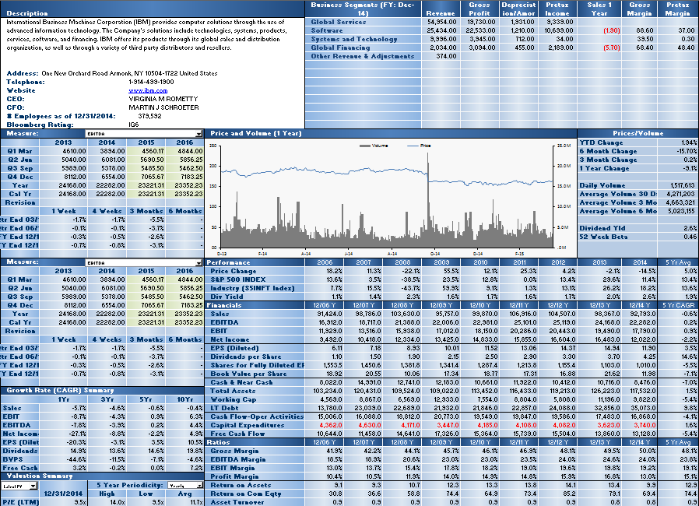

Earnings Tables
Growth and Valuation Summaries
Performance, Financials and Ratios

Right Side of Tearsheet

Use Tearsheet Tab, Right side to view Security's Description; Comparative Returns; Top 20 Holders by various Institution types; Analyst Recommendations; and List of the security's peers, as evaluated by a Bloomberg proprietary algorithm.

Comperative Returns
Estimate Data Tables
Holders

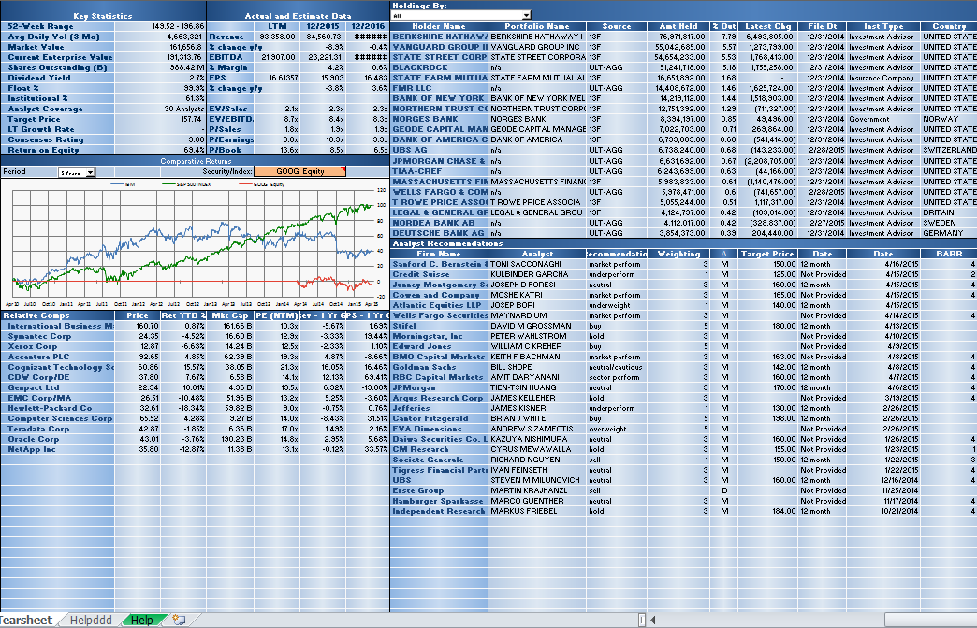

Relative Valuation (Bloomberg Peers)
Analyst Recommendation

Relative Value Sheet

See how your chosen security fairs versus a market cap weighted average of its own sector within its own index, the index as a whole, and all securities in the same sector and country excluding those outside the market cap thresholds or whose metric is a certain number of standard deviations away from the group.

Control for outliers in the table at the bottom of the screen by excluding any securities that do not meet the market cap criteria or whose fundamental value is greater than a set number of standard deviations from the group average
Enter your security and override the index or GICS sector if necessary

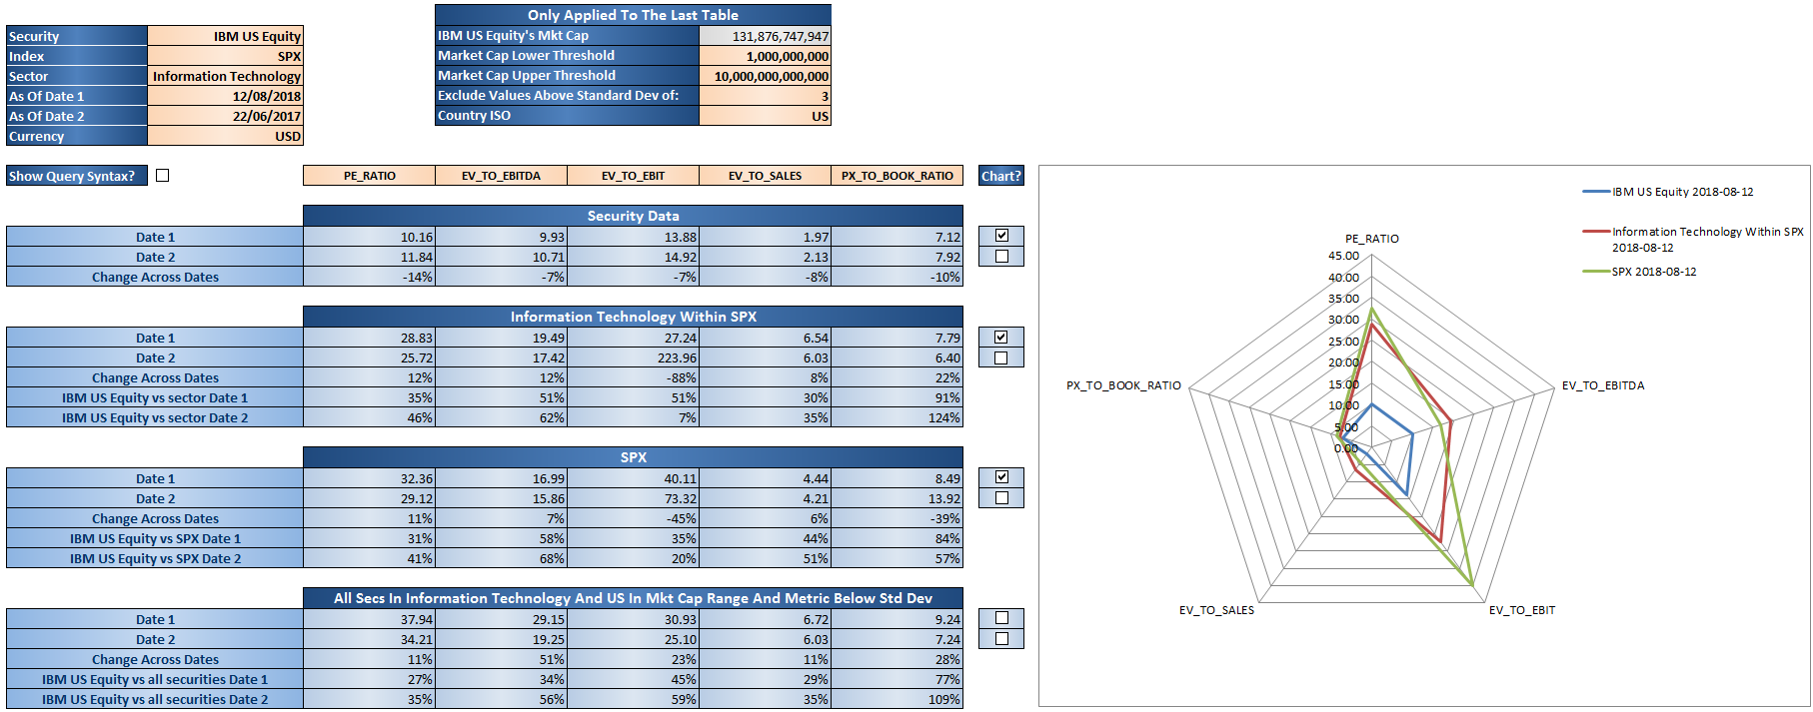
Enter any BQL fundamental field

Tick the check box to plot the data on the radar chart

Tick the check box to display the =BQL() formula syntax that is being used

